NDZT
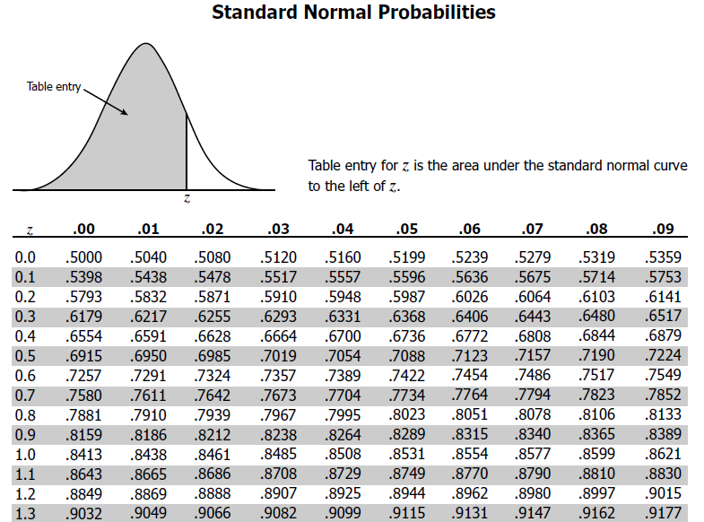
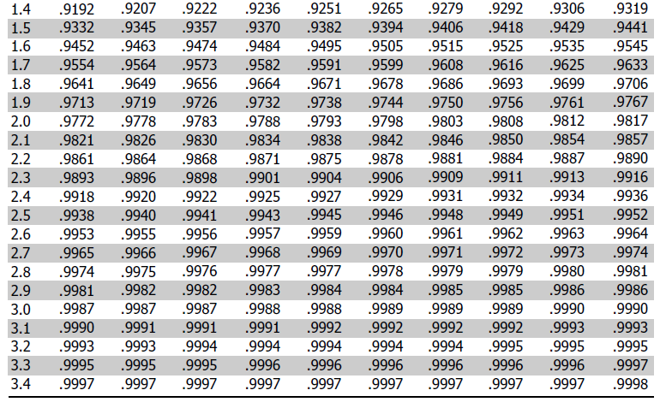
 | Necessary conditions - Population mean is known, number of sample points is small (<=30) , poulation standard deviation is known

Marks Frequency Distribution
 |  | Index | X

 |  | 1 | 72
 |  | 2 | 91
 |  | 3 | 74
 |  | 4 | 83
 |  | 5 | 94
 |  | 6 | 75
 |  | 7 | 89
 |  | 8 | 82
 |  | 9 | 73
 |  | 10 | 67
 |  | 11 | 82
 |  | 12 | 83
 |  | 13 | 79
 |  | 14 | 82
 |  | 15 | 82 |  |  |  | Test statistic: 0.958088755607605
 |  | 16 | 80 |  |  |  | P-Value: 0.27659091353416443
 |  | 17 | 81 |  |  |  | Data is likely to be coming from Normal distribution
 |  | 18 | 92
 |  | 19 | 80
 |  | 20 | 70
 |  | 21 | 74
 |  | 22 | 78
 |  | 23 | 92
 |  | 24 | 81
 |  | 25 | 75
 |  | 26 | 76
 |  | 27 | 90
 |  | 28 | 72
 |  | 29 | 77
 |  | 30 | 68

 |  | M = | 79.8

Population Mean |  |  |  |  | μ | 77 | (Given)

Population standard dev |  |  |  |  | Ϭ | 15

Standard Error |  |  |  |  | Ϭerr | Ϭ / sqrt(n) | 2.7386127875

 |  | Zscore |  | (M - μ) / Ϭerr | 1.0224154407

 |  | As per the Standard Normal Distribution area covered upto the 1.022 from the left side of the distribution is .8461
 |  | Which means at the calculated Zscore, only 84.6 % area is covered.
 |  | What is left on the right uncovered is 1 - .8461 = .1539 which is much larger than .05 (Alpha value)
 |  | That means the claculated Z score falls within the region of acceptance and hence

 |  | Fail to reject the null hypothesis which means the M =79.8 is not significantly different from population mean 77

TTest_related_samples
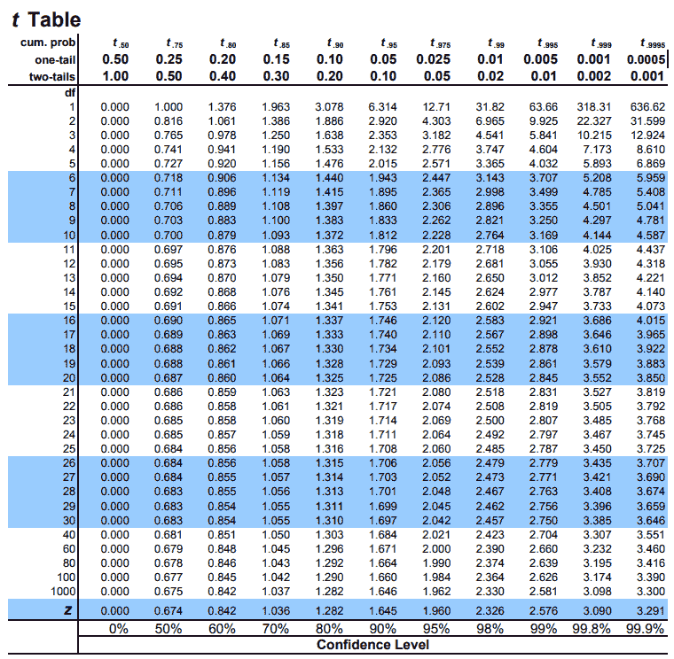
 | Before |  |  | After |  |  | D | D^2
1 | 8 |  |  | 5 |  |  | 3 | 9
2 | 9 |  |  | 4 |  |  | 5 | 25
3 | 9 |  |  | 8 |  |  | 1 | 1
4 | 6 |  |  | 8 |  |  | -2 | 4
5 | 10 |  |  | 7 |  |  | 3 | 9
6 | 8 |  |  | 7 |  |  | 1 | 1
7 | 7 |  |  | 4 |  |  | 3 | 9
8 | 8 |  |  | 6 |  |  | 2 | 4
9 | 5 |  |  | 6 |  |  | -1 | 1
10 | 10 |  |  | 7 |  |  | 3 | 9
11 | 10 |  |  | 8 |  |  | 2 | 4
12 | 7 |  |  | 6 |  |  | 1 | 1
13 | 8 |  |  | 8 |  |  | 0 | 0
14 | 10 |  |  | 6 |  |  | 4 | 16
15 | 6 |  |  | 3 |  |  | 3 | 9

 |  |  |  |  |  | Sum D | 28 | 102
 |  |  |  |  |  |  | 784

 |  | D-bar = | Sum(D)/n = |  | 1.8666666667 |  | D^2_bar = | 6.8

 |  | μ_d | diff in poulation mean which is expected to be 0 by H0

 |  | t = | (D-bar - μ_d) / Sqrt ( (Sum(D^2) - (D^2-bar) ) / n(n-1))

 |  |  | 3.8357706826

 |  | Threshold for DOF 15 , two tails, 5% alpha = |  |  |  |  | 2.145

 |  | Since T-score (3835771) > Threshold (2.145) - sufficient evidence to reject the Ho

OneWay ANOVA
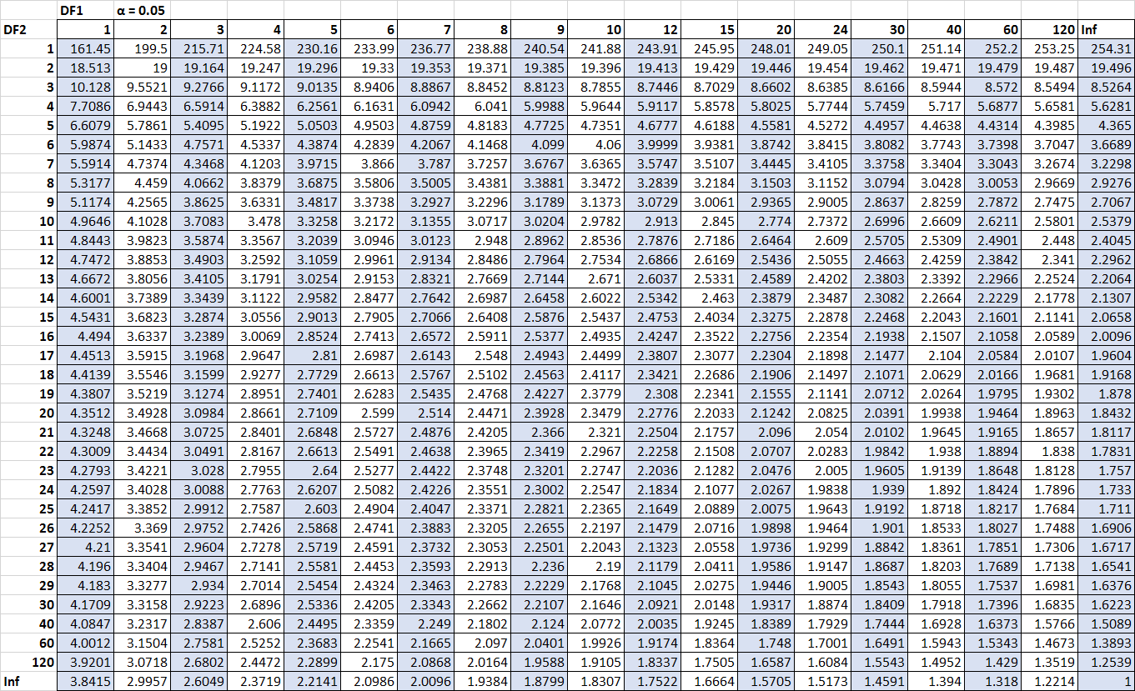
 |  |  |  |  |  |  | One Way Analysis of Variance

 | Source1 | xi - Mean1 | (xi - m1)^2 | Xi - Mtot | (Xi - Mtot)^2 |  | Source2 | xi - Mean2 | (xi - m2)^2 | Xi - Mtot | (Xi - Mtot)^2 | Source3 | xi - Mean3 | (xi - m3)^2 | Xi - Mtot | (Xi - Mtot)^2

 | 23 | 2.8 | 7.84 | -5.2 | 27.04 |  | 38 | 9.3 | 86.49 | 9.8 | 96.04 | 40 | 4.3 | 18.49 | 11.8 | 139.24
 | 16 | -4.2 | 17.64 | -12.2 | 148.84 |  | 32 | 3.3 | 10.89 | 3.8 | 14.44 | 28 | -7.7 | 59.29 | -0.2 | 0.04
 | 15 | -5.2 | 27.04 | -13.2 | 174.24 |  | 29 | 0.3 | 0.09 | 0.8 | 0.64 | 33 | -2.7 | 7.29 | 4.8 | 23.04
 | 32 | 11.8 | 139.24 | 3.8 | 14.44 |  | 42 | 13.3 | 176.89 | 13.8 | 190.44 | 42 | 6.3 | 39.69 | 13.8 | 190.44
 | 26 | 5.8 | 33.64 | -2.2 | 4.84 |  | 25 | -3.7 | 13.69 | -3.2 | 10.24 | 35 | -0.7 | 0.49 | 6.8 | 46.24
 | 18 | -2.2 | 4.84 | -10.2 | 104.04 |  | 17 | -11.7 | 136.89 | -11.2 | 125.44 | 35 | -0.7 | 0.49 | 6.8 | 46.24
 | 22 | 1.8 | 3.24 | -6.2 | 38.44 |  | 37 | 8.3 | 68.89 | 8.8 | 77.44 | 41 | 5.3 | 28.09 | 12.8 | 163.84
 | 14 | -6.2 | 38.44 | -14.2 | 201.64 |  | 26 | -2.7 | 7.29 | -2.2 | 4.84 | 30 | -5.7 | 32.49 | 1.8 | 3.24
 | 14 | -6.2 | 38.44 | -14.2 | 201.64 |  | 19 | -9.7 | 94.09 | -9.2 | 84.64 | 34 | -1.7 | 2.89 | 5.8 | 33.64
 | 22 | 1.8 | 3.24 | -6.2 | 38.44 |  | 22 | -6.7 | 44.89 | -6.2 | 38.44 | 39 | 3.3 | 10.89 | 10.8 | 116.64

Sum | 202 |  | 313.6 | -80 | 953.6 |  | 287 |  | 640.1 | 5 | 642.6 | 357 |  | 200.1 | 75 | 762.6

Mean1 | 20.2 |  |  |  |  |  | 28.7 |  |  |  |  | 35.7

Mean_Tot |  | 28.2

Are the differences in mean an indication oif the three groups being truly different or is it just by chance?

HO - The groups are same, the mean differences are by chance
H1 - The differences are due to true differences between the groups

SS_bet |  | Ng X [ ( Mg1 - Mtot)^2 + (Mg2 - Mtot)^2 + (Mg3 - Mtot)^2 ]
Ng = 10
 |  |  | SS_bet | 1205

SS_with |  | Sum across groups ( Sum across all points in a group (Xi - M1)^2 ))

 |  |  |  | 1153.8

SS_Tot |  | Sum (xi - Mtot)^2 |  | 2358.8 |  | (total variance in data is split into between and within) this is confirmed

DOF calculations

 | df_between = No. of groups - 1 = |  |  | 2
 | df_within = number of data points - number of groups = |  |  |  |  | 27
 | df_tot = total number of data points in a group - 1 = |  |  | 9

 | Ms_bet = | 602.5
 | Ms_with= | 42.733333333

F = MS_bet / MS_with = |  |  | 14.099063963

Result
 | F_threshold at 95% confidence level with df1 = 2 and df2 = 27 is 3.35
 | Fstats > The F threshold at 95% confidence level. Hence reject H0

